CoCoMo II
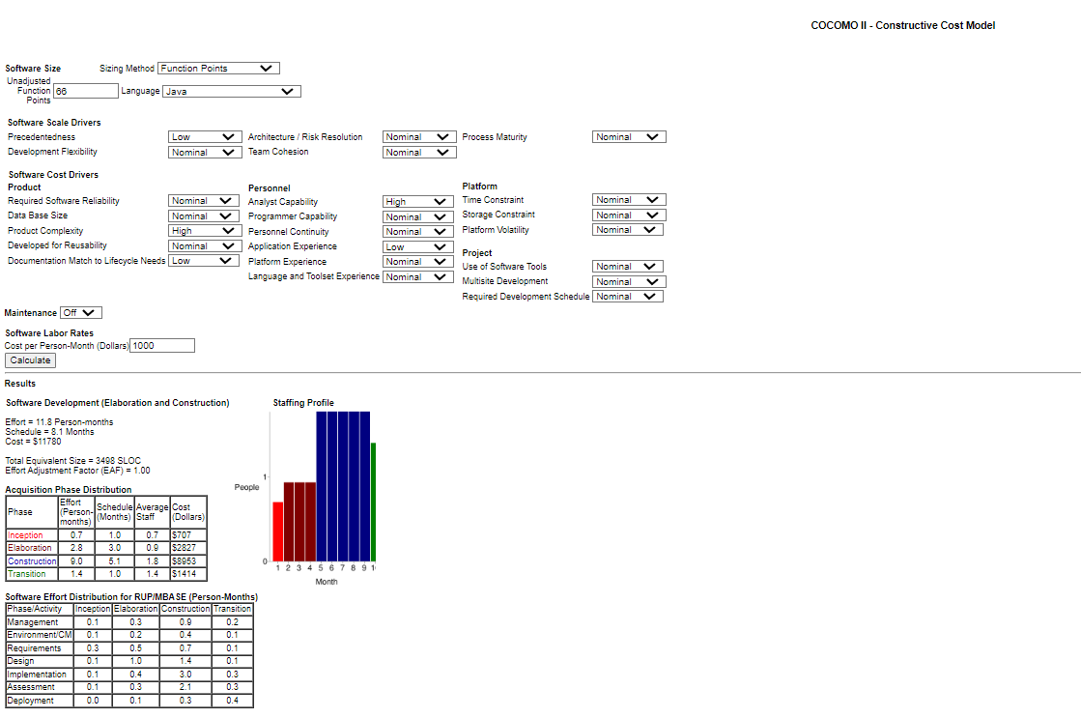

http://softwarecost.org/tools/COCOMO/

